Login
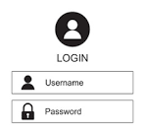
Credential for Login

First Page
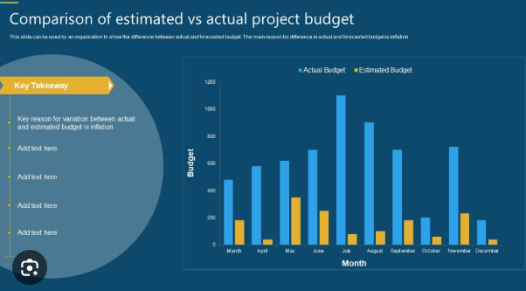
 | Product Number : |  |  |  |  | Team Name :

 | Criteria :

Dashboard Overview
Planned |  | Actual |  |  | Variance |  |  |  | Percentage

Product No. | Product Name | Project ID | Year | Team Name | Start Date | Completed date | Target Date | Planned | Actual | Variance | Usage Percentage | View attachment
VT1A0102 | CVT Valve Terminal | 2025-0367 | 2024 | NPD Team-1 | 2024-03-03 | 2024-05-31 | 2024-04-30 | 75000 | 50000 | 42000 | 16%
VT1A0103 | CVT Valve Terminal | 2025-0368 | 2025 | NPD Team-2 | 2024-03-03 | 2024-05-31 | 2024-04-30 | 100000 | 75000 | 74000 | 16%
VT1A0104 | CVT Valve Terminal | 2025-0369 | 2026 | NPD Team-3 | 2024-03-03 | 2024-05-31 | 2024-04-30 | 125000 | 100000 | 106000 | 16%
VT1A0105 | CVT Valve Terminal | 2025-0370 | 2027 | NPD Team-4 | 2024-03-03 | 2024-05-31 | 2024-04-30 | 150000 | 125000 | 138000 | 16%
VT1A0106 | CVT Valve Terminal | 2025-0371 | 2028 | NPD Team-5 | 2024-03-03 | 2024-05-31 | 2024-04-30 | 175000 | 150000 | 170000 | 16%
VT1A0107 | CVT Valve Terminal | 2025-0372 | 2029 | NPD Team-6 | 2024-03-03 | 2024-05-31 | 2024-04-30 | 200000 | 175000 | 202000 | 16%
VT1A0108 | CVT Valve Terminal | 2025-0373 | 2030 | NPD Team-7 | 2024-03-03 | 2024-05-31 | 2024-04-30 | 225000 | 200000 | 234000 | 16%

Project cost Template in A4
 | Product number.

1
Project Cost Report |  |  |  |  | Rec.No.
 |  |  |  |  | Start Date : |  | Form is uploaded for the Product Number. The actual amount is automatically populated based on PO and OSP data from Oracle
 |  |  |  |  | Page No.
Product No
Product Name
2
NPD No. |  |  |  |  |  |  | àFrom PLM (NPD No Eg - 2025-0367)
3
Cost Break up |  |  | Amount in Rupees |  |  | Remarks
 |  |  | Estimation Amount | Actual Amount | Variance |  | Variance is calculated as: Estimated Amount – Actual Amount
1 | Information Collections like
 | 1.1 | Visiting fairs
 | 1.2 | Purchase of books, periodicals, standards etc. |  |  |  |  | àFrom PO
 | 1.3 | Samples purchase (Bench marked product) |  |  |  |  | àFrom PO
 | 1.4 | Others |  |  |  |  | àFrom PO
2 | Product Design
 | 2.1 | 3D Modelling / Design calculations
 | 2.2 | Assembly / Sub assembly drawings
 | 2.3 | Parts drawings
 | 2.4 | Design verification
 | 2.5 | Simulation, analysis etc. |  |  |  |  | àFrom PO
 | 2.6 | Others |  |  |  |  | àFrom PO
3 | Concept test - Physical Model
 | 3.1 | Design verification, validation
 | 3.2 | Qty. to be manufactured |  |  |  |  | àFrom Job card, PO
 | 3.3 | Others |  |  |  |  | àFrom Job card, PO
4 | Prototype Testing
 | 4.1 | Development tools |  |  |  |  | àFrom PO
 | 4.2 | Product Assembly fixtures |  |  |  |  | àFrom PO
 | 4.3 | Prototype Manufacturing. Qty _ _ _ _ Nos (for Design verification / validation) |  |  |  |  | àFrom PO
 | 4.4 | Product testing - Functional / others testing |  |  |  |  | àFrom PO
 | 4.5 | Product testing - Reliability / Life testing |  |  |  |  | àFrom PO
 | 4.6 | Others |  |  |  |  | àFrom PO
5 | Product Testing & Measuring Equipment
 | 5.1 | Product Testing fixtures |  |  |  |  | àFrom PO
 | 5.2 | Certifications
6 | Capital Equipment
 | 6.1 | Special Machineries |  |  |  |  | àFrom PO
 | 6.2 | Others
7 | Significant Production Run / Pilot Batch Production
 | 7.1 | Process Capability study for tooled up components _ _ _ _ Nos. |  |  |  |  | àFrom Job card, PO
 | 7.2 | Process trials / Process Capability study for Machined components |  |  |  |  | àFrom Job card, PO
 | 7.3 | Pilot lot - Assembly and Testing. Qty. _ _ _ _ Nos. |  |  |  |  | àFrom Job card, PO
8 | Production tooling
 | 8.1 | Moulds, Dies, press tools etc. |  |  |  |  | àFrom PO
 | 8.2 | Jig & Fixtures – Machining / Assembly |  |  |  |  | àFrom PO
 | 8.3 | Others
9 | Field Trials
10 | Other overheads
 | (Salaries / Other Recurring Expenditures)
11 | Total Cost-Direct
12 | Indirect Costs
 | 12.1 | Factory Overheads
 | 12.2 | Contingencies Expenses |  |  |  |  | àFrom PO
 | 12.3 | No of Team Members, Project duration, Team Member salary |  |  |  |  | ??????????
13 | Total Project Cost
REMARKS / DECISION:
Prepare By: |  |  | Approved By:

Form No: F/D&D/07 Issue No: 4.0 Date: 01.01.2019

